Purpose & Instructions
Purpose of this Inventory and Priority Ranking Spreadsheet:
The purpose of this spreadsheet is to meet the requirement in Appendix H section II.1.b.i of the MS4 Permit. The permit requires that permittees consider a number of different factors to help determine the potential for each parcel or property to be retrofitted with a stormwater BMP. This spreadsheet allows communities to rank their top municipal parcels for all of the different factors mentioned in section 2.3.6.e.

How to use this Inventory and Priority Ranking Spreadsheet:
1. Your communities’ top municipal parcels, along with some of the parcels corresponding information, have been added to the spreadsheet in columns A through F. This information came directly from your communities Priority Ranked Parcel Summary Report and Prioritized Load Summary Spreadsheet.

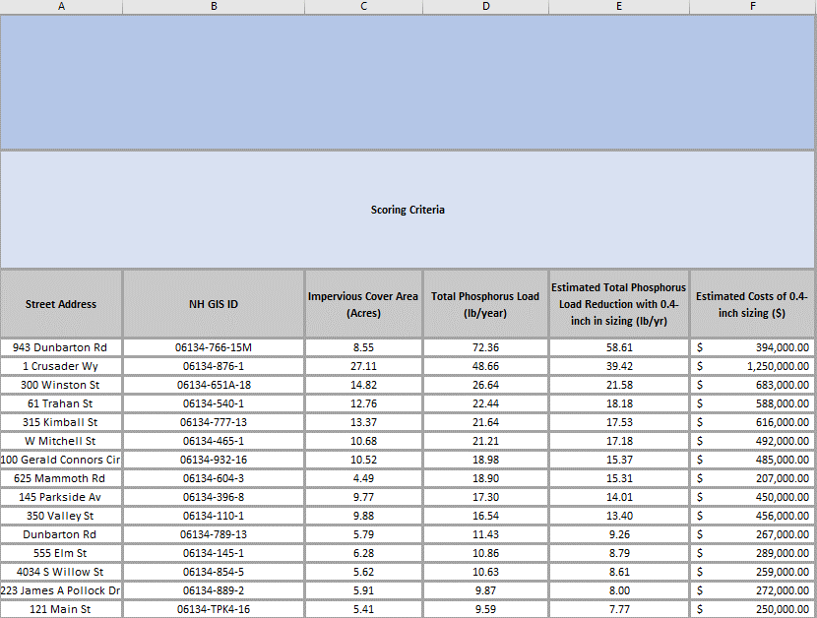

2. Columns G through AB each contain different factors that the MS4 permit requires to be taken into consideration. Each factor has a scoring system to help determine how well the parcel meets the requirements of that factor. Each community will need to go through the spreadsheet and rank each of the municipal parcels for all of the factors.

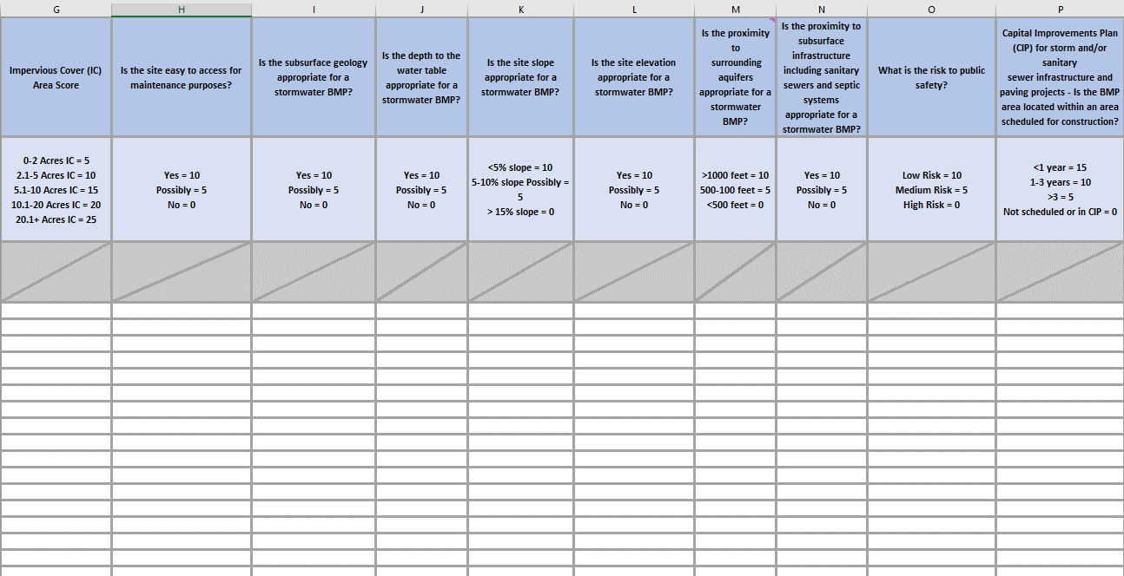

3. Column AC contains the final score for each of the municipal parcels. The greater the total score, the more potential the parcel has to be retrofitted with a stormwater BMP.
